SURYA CIPTA NIAGA BALI (Beef)
DATE | INV NO. | DESCRIPTIONS | QTY | BILLS | PRICE | SUBTOTAL | TOTAL | DUE DATE | STATUS | Rp7,717,700
7-Mar-2026 | 2603/FK-0684 | STRIPLOIN ICHI BROWN | 7.5 | 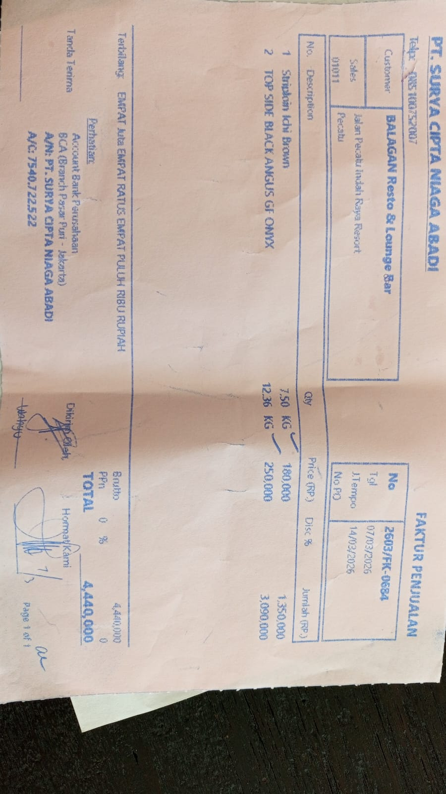 | Rp180,000 | Rp1,350,000 | Rp4,440,000 | 2026-03-14 | PAID
 |  | TOP SIDE BLACK ANGUS GF ONYX | 12.36 |  | Rp250,000 | Rp3,090,000
24-Mar-2026 | 2603/FK-2049 | STRIPLOIN ICHI BROWN | 8.39 | 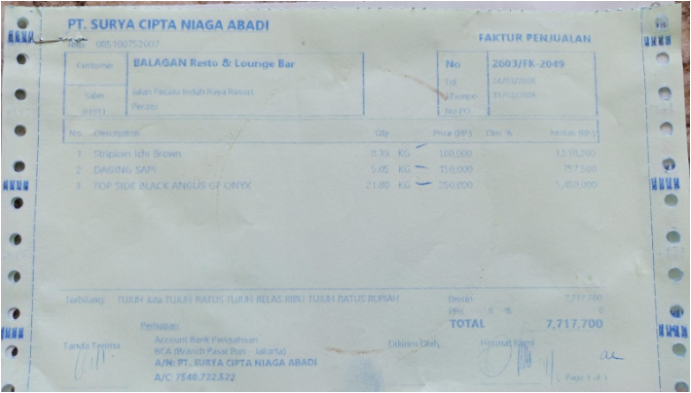 | Rp180,000 | Rp1,510,200 | Rp7,717,700 | 2026-03-31 | UNPAID
 |  | MINCED MEAT | 5.05 |  | Rp150,000 | Rp757,500
 |  | TOP SIDE BLACK ANGUS GF ONYX | 21.8 |  | Rp250,000 | Rp5,450,000

TOTAL |  |  |  |  |  | Rp7,717,700

